About
BLP BAU LCFS Percentage

Source: | California Air Resource Board
 | STAFF REPORT: INITIAL STATEMENT OF REASONS
 | https://www.arb.ca.gov/regact/2018/lcfs18/isor.pdf
 | "The amendments also propose smoothing the near-term benchmark schedule by linearly reducing by 1.25 percent annually from a 5 percent reduction in 2018 to the 20 percent value in 2030."
 | Adopted amendments to regulatory schedule.

Notes | 2031 and later values are irrelevant for this variable in current modeling

BTU per EJ | 9.48E+14

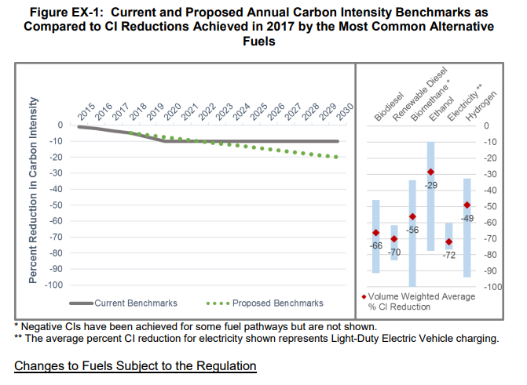

Historical level of performance for the start year. |  | 0.035

